Sheet1
link | description | image | github
https://lnkd.in/gwpVw2Vy | The buzz about fine tuning Large Language Models (#LLMs) is real. Fine-tuning is commonly employed in scenarios where a pre-trained the model has learned valuable representations of a general domain and is adapted to perform well on a narrower, more specific task. Let’s go through the fine-tuning process: ➤ The reference model initializes with the parameters of the pre-trained language model. ➤ The active model starts training using reinforcement learning. ➤ At each optimization step, the logits of both active and reference models are computed (log-probs). ➤ The loss function is then computed using the logits of both the active and reference models (KL metric). ➤ The parameters of the active model are then updated using the gradients of the loss function or proximal policy optimization. | 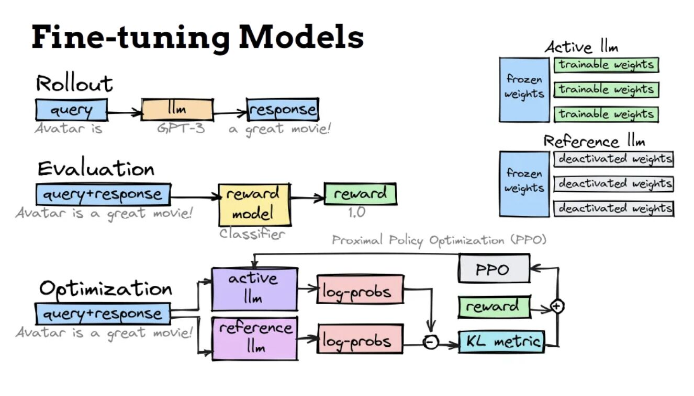 | Github : https://lnkd.in/dgNzeaQw
 | Biggest Collection of Colab Based LLMs Fine tuning Notebooks Now added Knowledge Graph LLMs Notebook 1. Efficiently Train Large Language Models with LoRA and Hugging Face 2. Fine-Tune Your Own Llama 2 Model in a Colab Notebook 3. Guanaco Chatbot Demo with LLaMA-7B Model 4. PEFT Finetune-Bloom-560m-tagger 5. Finetune_Meta_OPT-6-1b_Model_bnb_peft 6. Finetune Falcon-7b with BNB Self Supervised Training 7. FineTune LLaMa2 with QLoRa 8. Stable_Vicuna13B_8bit_in_Colab 9. GPT-Neo-X-20B-bnb2bit_training 10. MPT-Instruct-30B Model Training 11. RLHF_Training_for_CustomDataset_for_AnyModel 12. Fine_tuning_Microsoft_Phi_1_5b_on_custom_dataset(dialogstudio) 13. Finetuning OpenAI GPT3.5 Turbo 14. Finetuning Mistral-7b FineTuning Model using Autotrain-advanced 15. RAG LangChain Tutorial 16. Knowledge Graph LLM with LangChain PDF Question Answering |  | Github : https://lnkd.in/dgNzeaQw
 | 𝟳-𝘀𝘁𝗲𝗽𝘀 on 𝗵𝗼𝘄 to 𝗳𝗶𝗻𝗲-𝘁𝘂𝗻𝗲 an open-source 𝗟𝗟𝗠 to create your real-time financial advisor ↓ In the past weeks, we covered 𝘄𝗵𝘆 you have to fine-tune an LLM and 𝘄𝗵𝗮𝘁 resources & tools you need: - Q&A dataset - pre-trained LLM (Falcon 7B) & QLoRA - MLOps: experiment tracker, model registry, prompt monitoring (Comet ML) - compute platform (Beam) . Now, let's see how you can hook all of these pieces together into a single fine-tuning module ↓ 𝟭. 𝗟𝗼𝗮𝗱 𝘁𝗵𝗲 𝗤&𝗔 𝗱𝗮𝘁𝗮𝘀𝗲𝘁 Our Q&A samples have the following structure keys: "about_me," "user_context," "question," and "answer." For task-specific fine-tuning, you need only 100-1000 samples. Thus, you can directly load the whole JSON in memory. After you map every sample to a list of Python 𝘥𝘢𝘵𝘢𝘤𝘭𝘢𝘴𝘴𝘦𝘴 to validate the structure & type of the ingested instances. 𝟮. 𝗣𝗿𝗲𝗽𝗿𝗼𝗰𝗲𝘀𝘀 𝘁𝗵𝗲 𝗤&𝗔 𝗱𝗮𝘁𝗮𝘀𝗲𝘁 𝗶𝗻𝘁𝗼 𝗽𝗿𝗼𝗺𝗽𝘁𝘀 The first step is to use 𝘶𝘯𝘴𝘵𝘳𝘶𝘤𝘵𝘶𝘳𝘦𝘥 to clean every sample by removing redundant characters. After, as every sample consists of multiple fields, you must map it to a single piece of text, also known as the prompt. To do so, you define a 𝘗𝘳𝘰𝘮𝘱𝘵𝘛𝘦𝘮𝘱𝘭𝘢𝘵𝘦 class to manage all your prompts. You will use it to map all the sample keys to a prompt using a Python f-string. The last step is to map the list of Python 𝘥𝘢𝘵𝘢𝘤𝘭𝘢𝘴𝘴𝘦𝘴 to a HuggingFace dataset and map every sample to a prompt, as discussed above. 𝟯. 𝗟𝗼𝗮𝗱 𝘁𝗵𝗲 𝗟𝗟𝗠 𝘂𝘀𝗶𝗻𝗴 𝗤𝗟𝗼𝗥𝗔 Load a pretrained Falcon 7B LLM by passing a 𝘣𝘪𝘵𝘴𝘢𝘯𝘥𝘣𝘺𝘵𝘦𝘴 quantization configuration that loads all the weights on 4 bits. After using LoRA, you freeze the weights of the original Falcon LLM and attach to it a set of trainable adapters. 𝟰. 𝗙𝗶𝗻𝗲-𝘁𝘂𝗻𝗶𝗻𝗴 The 𝘵𝘳𝘭 Python package makes this step extremely simple. You pass to the 𝘚𝘍𝘛𝘛𝘳𝘢𝘪𝘯𝘦𝘳 class the training arguments, the dataset and the model and call the 𝘵𝘳𝘢𝘪𝘯() method. One crucial aspect is configuring an experiment tracker, such as Comet ML, to log the loss and other vital metrics & artifacts. 𝟱. 𝗣 | 